Architecture
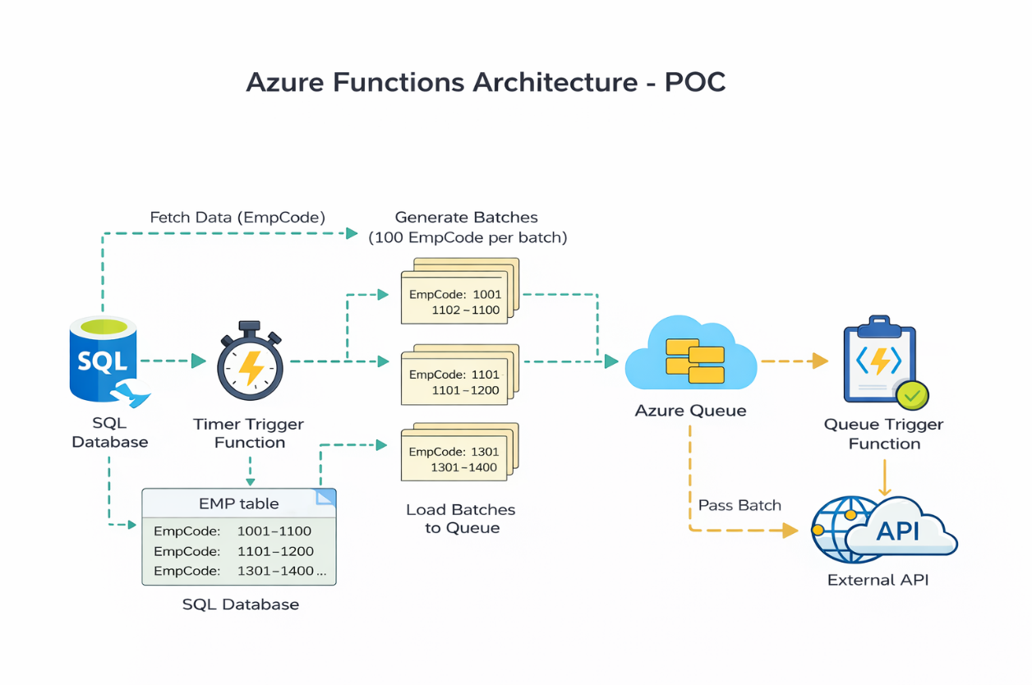

1. Timer Trigger Function (Runs every 5 minutes)

2. Check Last execution Timestamp is latest or not? | 3. Yes, Stop

3. No, Fetch Employee Data from SQL Database whose attendance need to update

4. Create Batches (150 - 300 records per batch)

5. Push Batches to Azure Queue (attendance-queue) | Batch 1 Batch 2 Batch 3 : Batch n | 6. Queue Trigger Function - Call Attendance API | API Call 1 API Call 2 API Call 3 : API Call n | 7. Success, Update logs & Timestamp

 |  |  | 7. Failed or Partially Failed , Update logs

